Sheet1
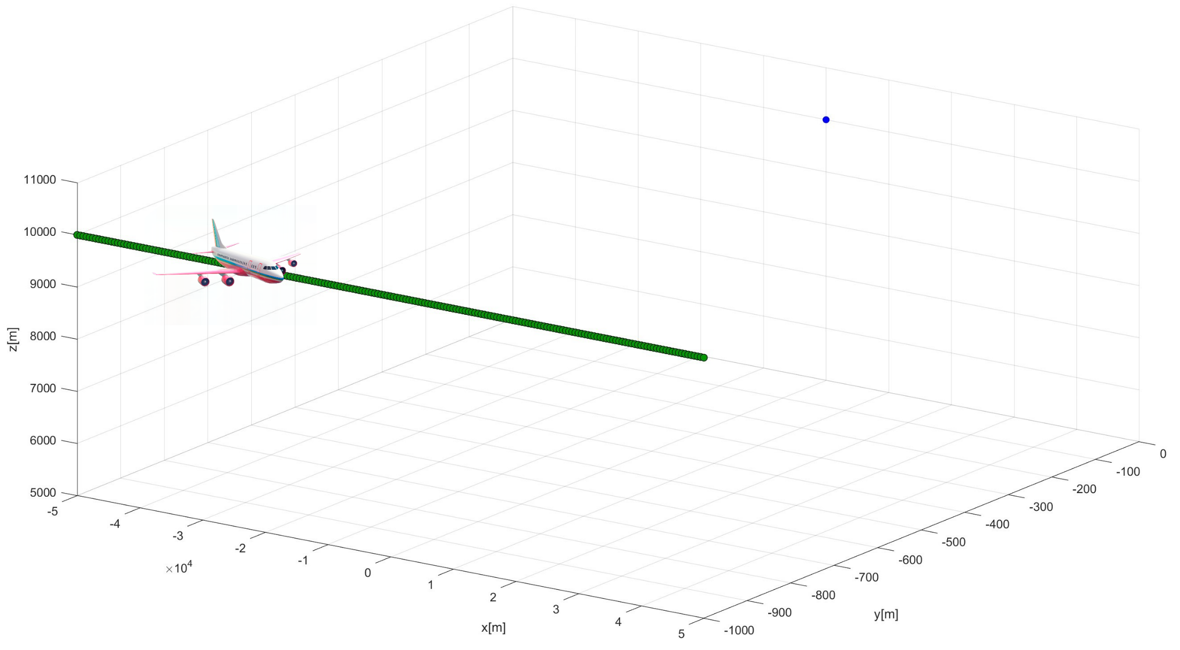

Wind
Direction: [1,1,0]

Speed: 20 m/s
Source
T(z=10 km) = 223.05 K

Elevation = 10 km
z
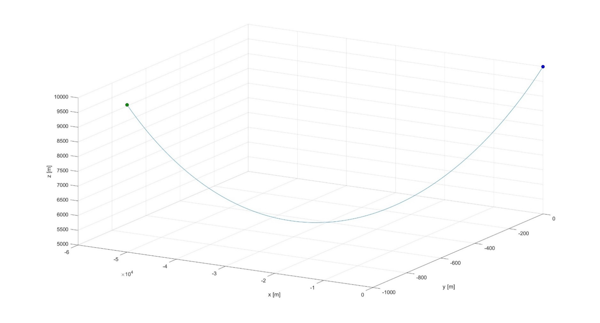

Airplane/Receiver Speed = 200 m/s
Source
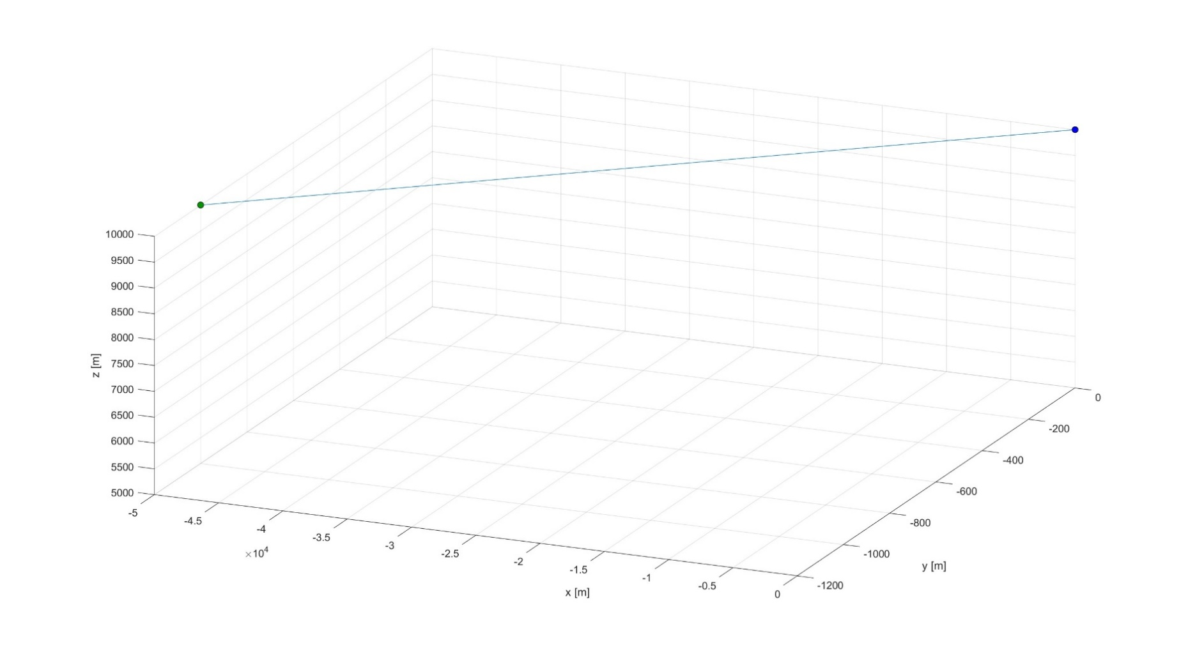
Source
Receiver Points

Flight Path Length = 100 km
Temperature: T(z)
v_{receiver}
Source
θ
n_{receiver}
n_{receiver}
θ
v_{receiver}

Source

θ₁
θ₂
θ₂
θ₁
|y| = 1 km
Defining the Simulated Flight Case and the Atmospheric Properties
Modeling Sound Propagation using Ray Tracing
Processing Ray Tracing Results to Generate an Audio Signal
Visualizing the Audio Signal with a Spectrogram
Receiver 5001
Receiver 1

θ₂
θ₂
|y| = 3 km
Receiver 1
Receiver 5001

Defining the Simulated Flight Case
Modeling Sound Propagation using Ray Tracing
Processing Ray Tracing Results to Generate an Audio Signal
Visualizing the Audio Signal with a Spectrogram

T₁
V₁
θ₁

θ₂
V₂
θ₂
Daytime
V₂
T₂
Night

